Statistical Insights
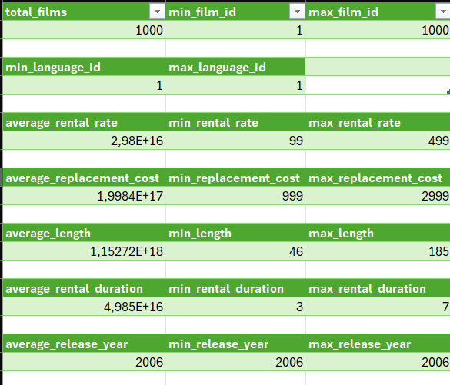
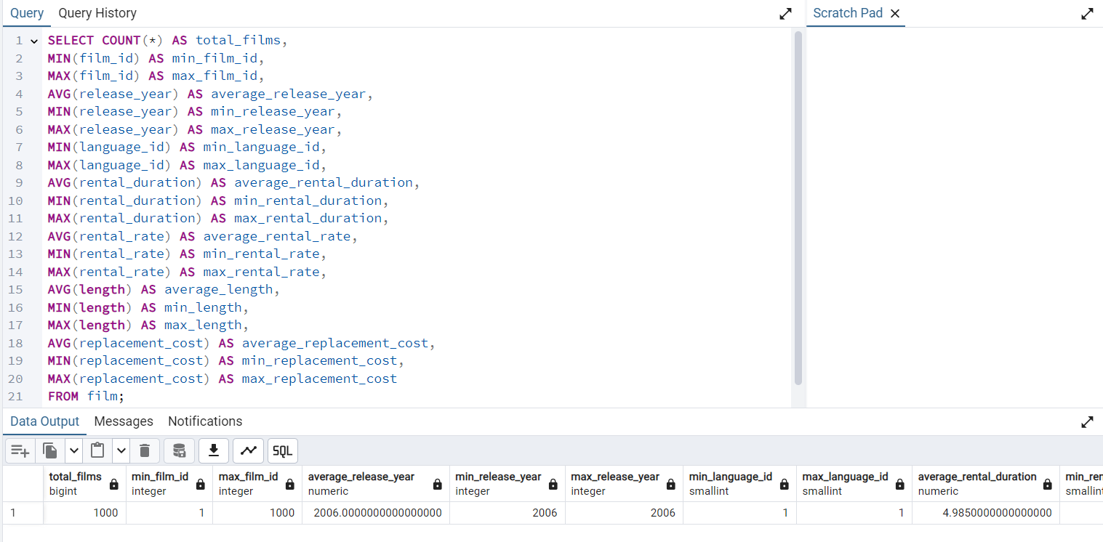

a) Film Table
Film Table Numerical Values:
release_year, rental_duration, rental_rate, length, replacement_cost

Film Table Non-Numerical Values:
title, description, rating, special_features

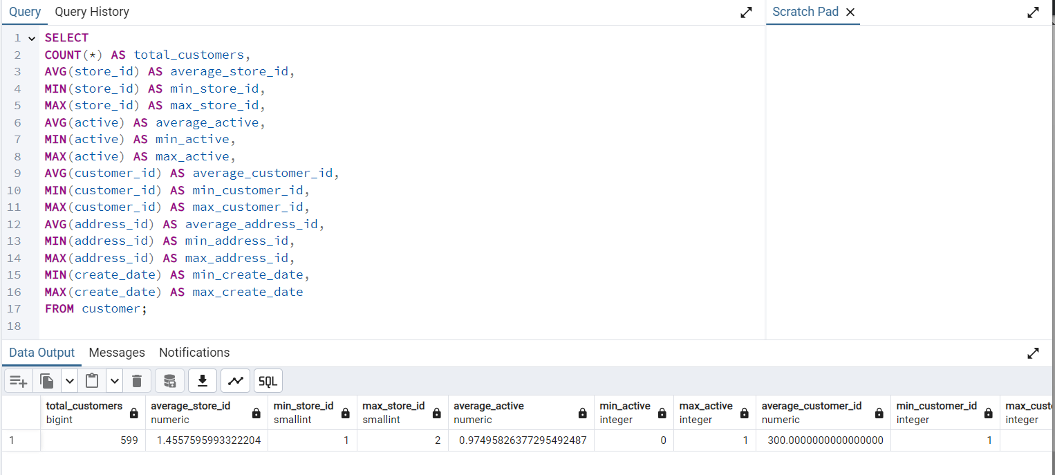
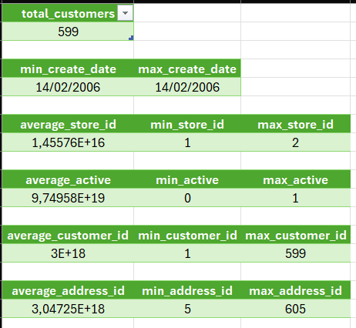
b) Customer Table
Customer Table Numerical Values:

Customer Table Non-Numeric Values:

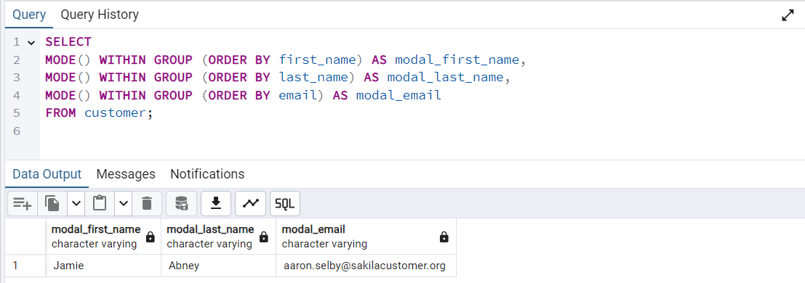

----------------------------------------------------------------------------------------------------------------------------------------------------------------------------------------------------------------------------------------------------------------------------------------------------

1. Query to find Top 10 countries for Rockbuster in terms of customer numbers

The process begins by selecting customer IDs from the Rental table based on their rental activities. These IDs are then used to join the rental table with the Customer table, allowing us to retrieve the associated address IDs. Subsequently, we link the customer table to the address table to obtain the relevant city IDs for each address. This is followed by a join between the address and city tables to determine the corresponding county IDs. Next, we connect the city table to the county table to extract the names of the counties associated with each county ID. To compile the number of customers per county, we employ the GROUP BY and COUNT functions. Finally, we apply the ORDER BY clause with a LIMIT to rank the counties by the number of customers and display only the top ten. |  | 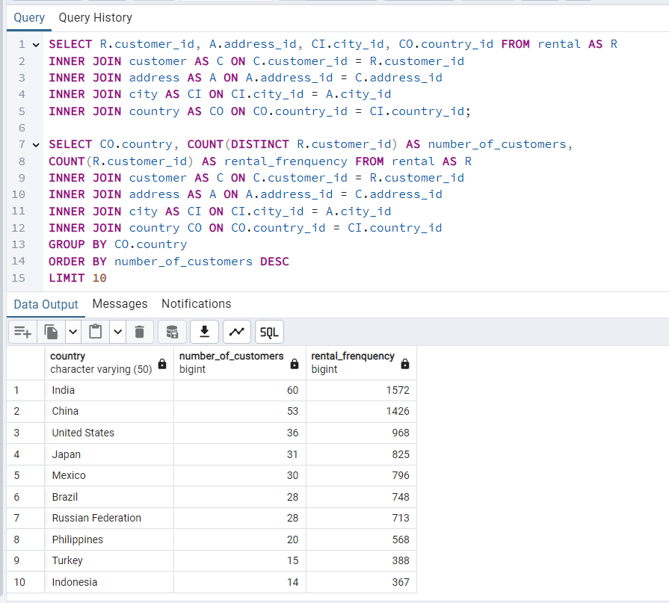

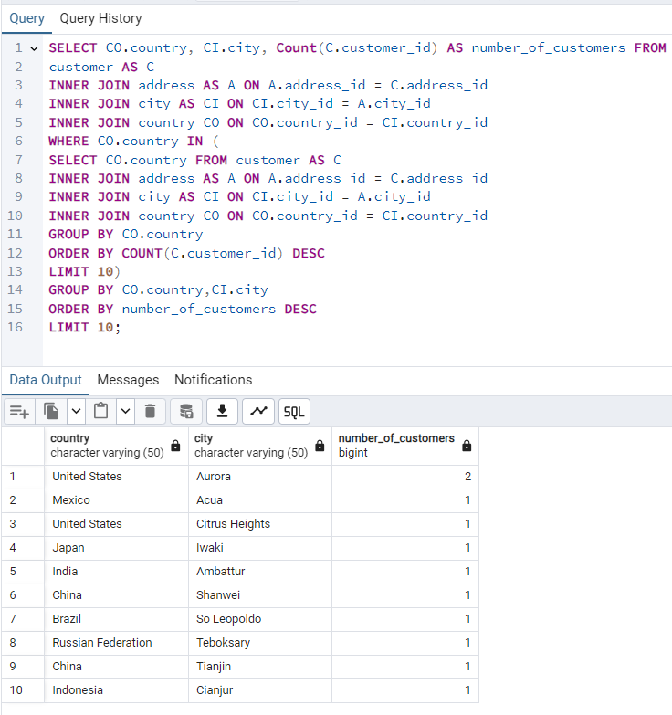
2. Query to find top 10 cities that fall within the top 10 countries

To initiate the query, apply the GROUP BY clause to both the county and city columns. This will organize the resulting dataset by each county, and within each county, further categorize by city. The aim is to ascertain the count of customers in each city, nested within their respective counties.

3. Query to find the top 5 customers from the top 10 cities who’ve paid the highest total amounts to Rockbuster.

Continuing from the preceding actions, proceed to merge the rental and payment tables to ascertain the respective amounts. Implement the GROUP BY clause with customer, county, city, and utilize the SUM (amount) function to determine the aggregate payments made by each customer in every locality. Subsequently, apply the WHERE clause to confine the results to the 10 cities identified in the prior step. Conclude by employing the ORDER BY clause coupled with LIMIT to extract the leading 5 records. | 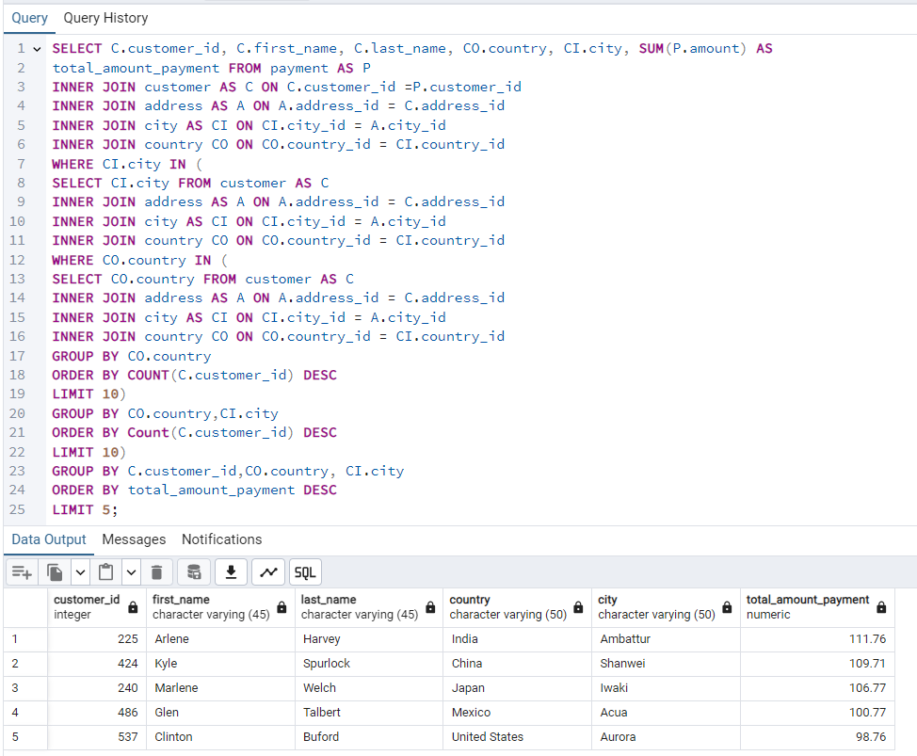

Top Cities, Countries, Customer
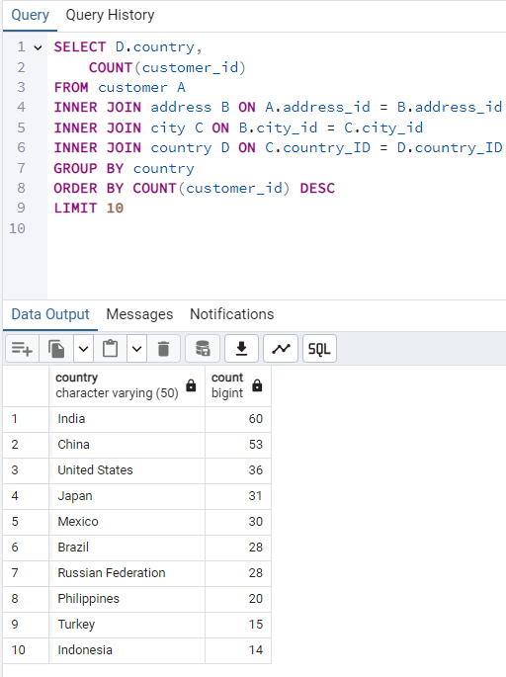
Top 10 Countries:

SQL Query:

SELECT D.country,
COUNT(customer_id)
FROM customer A
INNER JOIN address B ON A.address_id = B.address_id
INNER JOIN city C ON B.city_id = C.city_id
INNER JOIN country D ON C.country_ID = D.country_ID
GROUP BY country
ORDER BY COUNT(customer_id) DESC
LIMIT 10

Top 5 Customers from the Top 10 Cities

SQL Query:

SELECT B.customer_id, B.first_name, B.last_name, E.country,
D.city, SUM(A.amount) AS total_amount_paid
FROM payment A
INNER JOIN customer B ON A.customer_id = B.customer_id
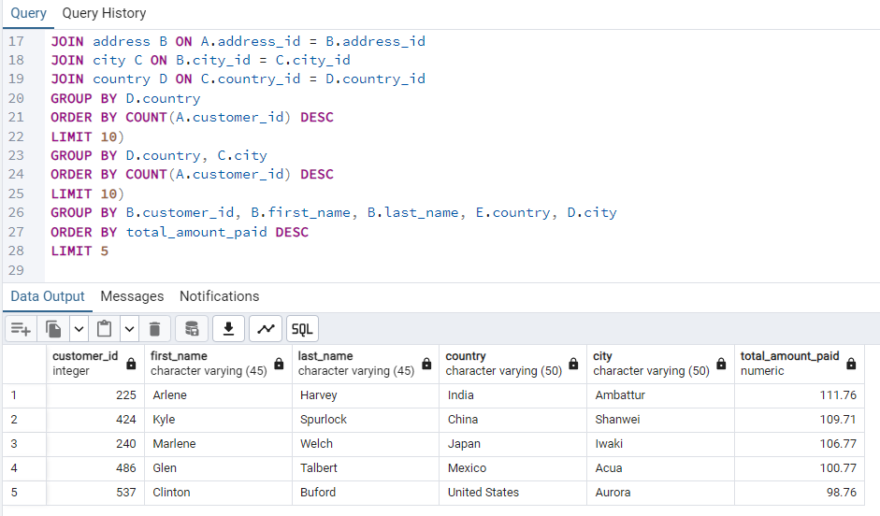
INNER JOIN address C ON B.address_id = C.address_id
INNER JOIN city D ON C.city_id = D.city_id
INNER JOIN country E ON D.country_id = E.country_id
WHERE (E.country, D.city) IN (
SELECT D.country, C.city
FROM customer A
INNER JOIN address B ON A.address_id = B.address_id
INNER JOIN city C ON B.city_id = C.city_id
INNER JOIN country D ON C.country_id = D.country_id
WHERE D.country IN (
SELECT D.country
FROM customer A
JOIN address B ON A.address_id = B.address_id
JOIN city C ON B.city_id = C.city_id
JOIN country D ON C.country_id = D.country_id
GROUP BY D.country
ORDER BY COUNT(A.customer_id) DESC
LIMIT 10)
GROUP BY D.country, C.city
ORDER BY COUNT(A.customer_id) DESC
LIMIT 10)
GROUP BY B.customer_id, B.first_name, B.last_name, E.country, D.city
ORDER BY total_amount_paid DESC
LIMIT 5

Movie Revenue
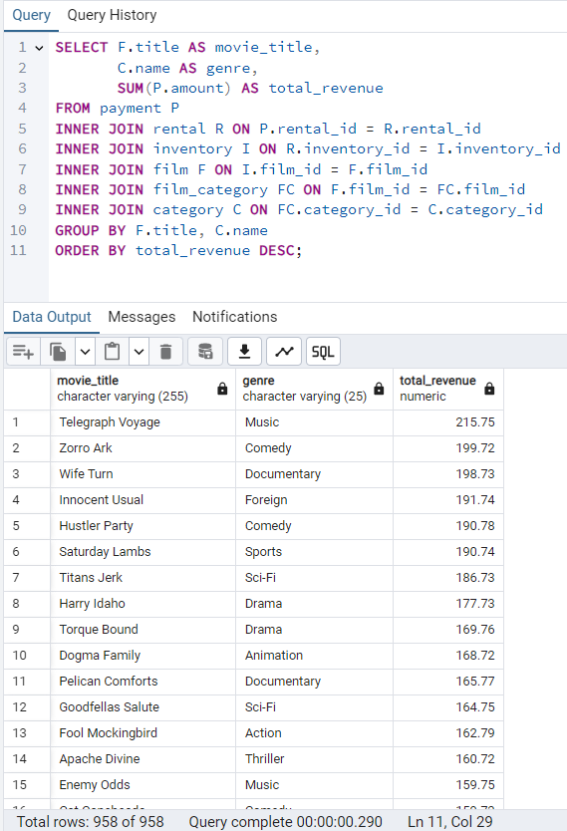
SQL Query:

SELECT F.title AS movie_title,
C.name AS genre,
SUM(P.amount) AS total_revenue
FROM payment P
INNER JOIN rental R ON P.rental_id = R.rental_id
INNER JOIN inventory I ON R.inventory_id = I.inventory_id
INNER JOIN film F ON I.film_id = F.film_id
INNER JOIN film_category FC ON F.film_id = FC.film_id
INNER JOIN category C ON FC.category_id = C.category_id
GROUP BY F.title, C.name
ORDER BY total_revenue DESC;

Output:

Top LVT
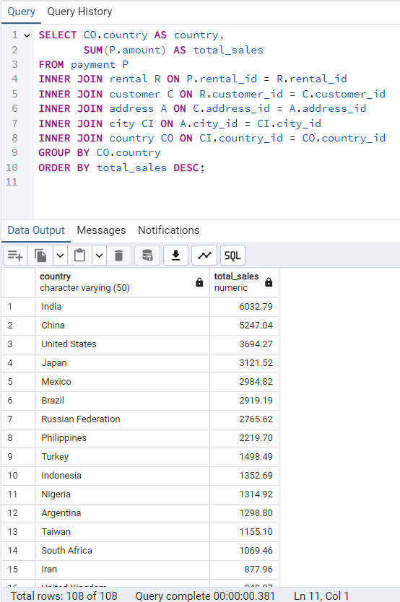
SQL Query:

SELECT CO.country AS country,
SUM(P.amount) AS total_sales
FROM payment P
INNER JOIN rental R ON P.rental_id = R.rental_id
INNER JOIN customer C ON R.customer_id = C.customer_id
INNER JOIN address A ON C.address_id = A.address_id
INNER JOIN city CI ON A.city_id = CI.city_id
INNER JOIN country CO ON CI.country_id = CO.country_id
GROUP BY CO.country
ORDER BY total_sales DESC;

Output:

